Sensors
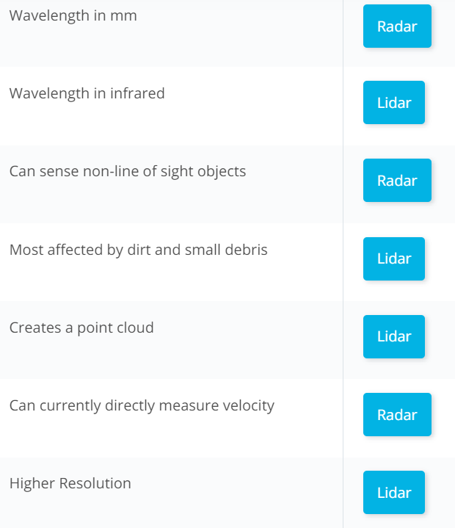
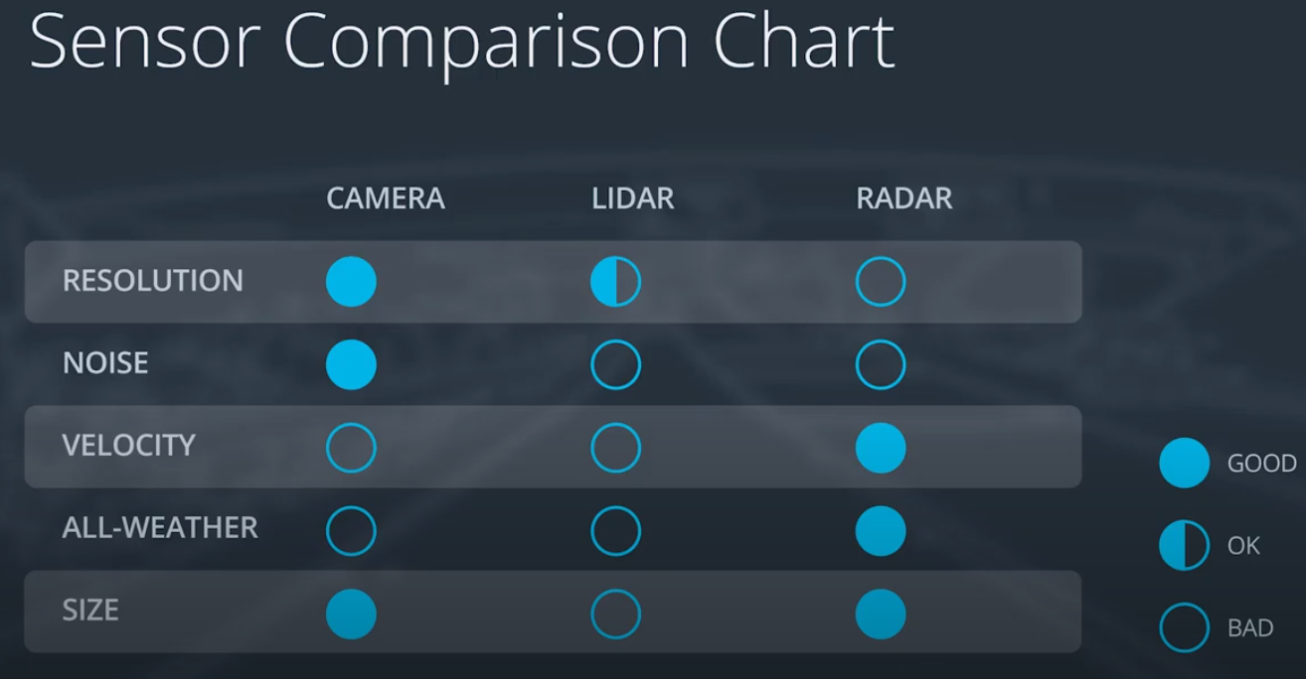
Lidar uses infrared laserbeams to determine the distance between objects.
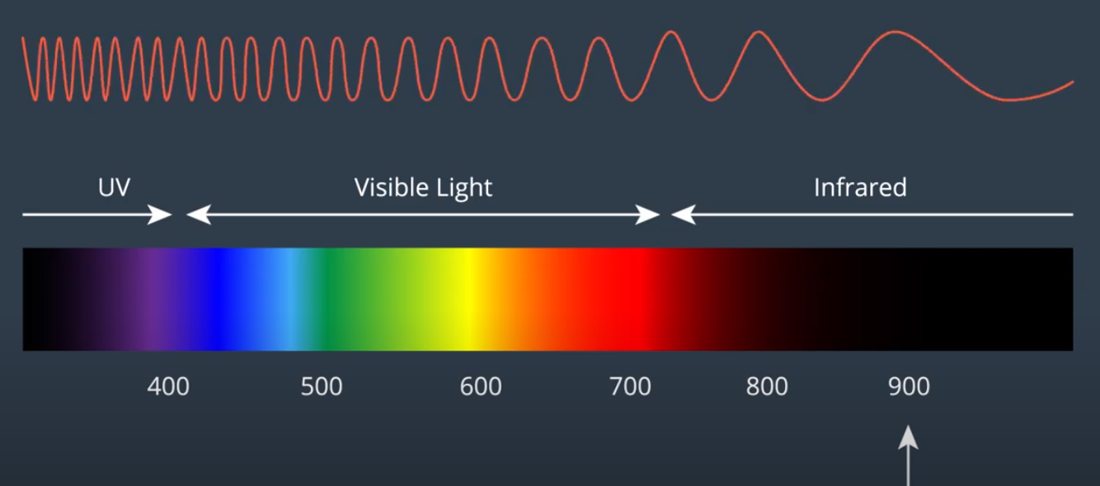
 | Lidar | 900 nano meter wavelength range
 | Radar : Wavelength is in mm

